Overview
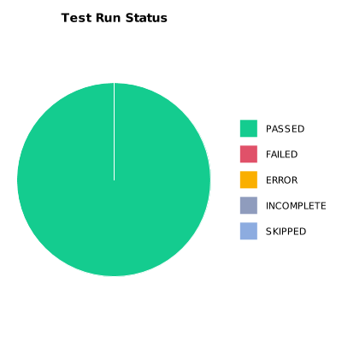
EXECUTION SUMMARY
Test Run ID | 829
Status | PASSED
Organization | FIT@HCMUS
Team | First Team
Project | First Project
By | Nguyen Trong Thuan
Start Time | 01/07/2024 15:04:56 +00:00
Duration | 0:04:38.176

TEST RESULTS
Total test results | 29
Passed | 29
Failed | 0
Error | 0
Incomplete | 0
Skipped | 0

